1. Title Page
Instacart Grocery Basket Analysis

Project Name: Instacart Basket Analysis
Date: 1/12/2023
Analyst Name: Robert Cheadle

Contents:
Population Flow
Consistency checks
Wrangling steps
Column derivations
Visualizations
Recommendations

2. Population Flow
Title page

Population flow

Exclusion flag
Condition: max_order < 5
Observations to be removed: 431,697
Final total count of order_products_all: 9,289,401

Orders_products_combined
sample_orders
_products_merged
Orders_products_all

Total: 9,721,098
Total: 32,434,489
Total: 9,721,098

1.) The grey boxes in the first row of the population flow represent the original data sets as they were when you downloaded them. In the Total fields you need to add the count of the rows when you imported the data set into Jupyter.
2.) The second row of boxes (coloured) represents the data sets after you manipulated them, e.g., removed missing values and duplicates. In the Total fields you need to add the count of the rows after conducting these operations. This offers a visual overview of how the data flows throughout the data consistency checks.
3.) The third row, where also the arrows are coloured, represents the merges you performed between the datasets. In the Total fields you need to add the count of the rows in the merged datasets, so that you end up with the final dataset (in the red box). Keep in mind the final dataset should be without exclusions (based on the exclusion flag).

3. Consistency checks
 |  |  |  |  | Title page
Consistency checks

Dataset | Column | Missing values | Missing values treatment | Duplicates
orders | days_since_prior-order | 206,209 | missing values not removed; represent customers first purchase
 |  |  |  | No duplicates found
products | product_name | 16 NaN | removed
 |  |  |  | 5 duplicate values removed
orders_products_prior | NA | No missing values found | NA | No duplicates found
customers | first_name | 11,259 NaN | NaN values remain | No duplicates found

4. Wrangling steps
 |  |  |  |  | Title page
Wrangling steps

Dataset | Columns dropped | Columns renamed | Columns' type changed | Comment/Reason
orders | eval_set | NA | NA | unnecessary for analysis
 |  | order_hour_of_day' to 'hour_of_day_order_placed' | NA | unclear column name
 |  | order_dow' to 'day_of_week_order_placed' | NA | unclear column name
orders_products_all | _merge |  |  | unnecessary for data merge
 |  |  | product_id | changed from int64 to int32; save memory
 |  |  | reordered | changed from int64 to int8; save memory
 |  |  | add_to_cart_order | changed from int64 to int32; save memory
 |  |  | order_id | changed from int64 to int32; save memory
 |  |  | order_number | changed from int64 to int8; save memory
 |  |  | orders_day_of_week | changed from int64 to int8; save memory
 |  |  | days_since_prior_order | changed from float64 to float16; save memory
 |  |  | order_hour_of_day | changed from int64 to int8; save memory
 |  |  | user_id | changed from int64 to int32; save memory
 |  | fam_status' to 'family_status' |  | unclear column name
 |  | number_of_dependants' to 'number_of_dependents' |  | unclear column name
 | First Name |  |  | Data Privacy PII
 | Last Name |  |  | Data Privacy PII
 |  |  |  | Sample was created due to memory issues; sample is random and contains 30% of original order_products_merged dataset.
customers |  | 'First Name' to 'first_name' |  | maintain consistent formatting across datasets
 |  | Surname' to 'last_name' |  | unclear column name
 |  | 'Gender' to 'gender' |  | maintain consistent formatting across datasets
 |  | 'STATE' to 'state' |  | maintain consistent formatting across datasets
 |  | n_dependants' to 'number_of_dependents' |  | unclear column name
 |  | 'fam_status' to 'family_status' |  | unclear column name
 |  | 'Age' to 'age' |  | maintain consistent formatting across datasets
 |  |  | First Name | Mixed data type; converted to str

5. Column derivations
 |  |  |  |  | Title page

Column derivations and aggregations

In this tab you should add tables below that the frequencies of flags/label variables that you produced after deriving them. NB: don't do this for continuous variables, only for flags.
Dataset | New column | Column/s it was derived from | Conditions | Code
orders_products_merged_v03 | price_range | prices | If the value within the “prices” column within the given row is less than or equal to 5, then return the string “Low-range product.” Or else, if the value within the “prices” column within the given row is greater than 5 and less than or equal to 15, then return the string “Mid-range product.” Or else, if the value of the “prices” column within the given row is greater than 15, then return the string “High-range product.” Or else, return the string “Not enough data.” | df_ords_prods_merged.loc[df_ords_prods_merged['prices'] > 15, 'price_range_loc'] = 'High_range_product' df_ords_prods_merged.loc[(df_ords_prods_merged['prices'] <= 15) & (df_ords_prods_merged['prices'] > 5), 'price_range_loc'] = 'Mid-range product' df_ords_prods_merged.loc[df_ords_prods_merged['prices'] <= 5, 'price_range_loc'] = 'Low-range product' df_ords_prods_merged['price_range_loc'].value_counts(dropna = False)
 | busiest_days | order_day_of_week | If the value within the "order_day_of_week" column within the given row is equal to 0 or 1, then return string "Busiest day". Or else, if the value within the "order_day_of_week" column within the given row is equal to 3 or 4, then return string "Least busy". Or else, return string "Regularly busy". | result02 = [] for value in df_ords_prods_merged["orders_day_of_week"]: if value in (0,1): result02.append("Busiest day") elif value in (3,4): result02.append("Least busy") else: result02.append("Regularly busy")
 | busiest_period_of_day | order_hour_of_day | If the value within the "order_hour_of_day" column within the given row is equal to 10,11,14,15,13,12,16,9, then return string "Most orders". Or else, if the value within the "order_hour_of_day" column within the given row is equal to 17,8,18,19,20,7,21,22, then return string "Average orders". Or else, return string "Fewest orders". | result03 = [] for value in df_ords_prods_merged["order_hour_of_day"]: if value in (10,11,14,15,13,12,16,9): result03.append("Most orders") elif value in (17,8,18,19,20,7,21,22): result03.append("Average orders") else: result03.append("Fewest orders")
orders_products_merged_v04 | max_order | user_id, order_number | Create a new column, “max_order,” into which you’ll place the results of aggregation. Each value in this column corresponds to the maximum number of orders made by each user ID. | orders_products_merged['max_order'] = orders_products_merged.groupby(['user_id'])['order_number'].transform(np.max)
 | loyalty_flag | max_order | Create a column that assigns a “loyalty” label to a user ID based on its corresponding max order value | df.loc[df['max_order'] > 40, 'loyalty_flag'] = 'Loyal customer' df.loc[(df['max_order'] <= 40) & (df['max_order'] > 10), 'loyalty_flag'] = 'Regular customer' df.loc[df['max_order'] <= 10, 'loyalty_flag'] = 'New customer' df['loyalty_flag'].value_counts(dropna = False)
 | avg_price | user_id, prices | Generate avg price for each user, and create new column "avg_price" to place the results of aggregation | orders_products_merged['avg_price'] = orders_products_merged.groupby(['user_id'])['prices'].transform(np.mean)
 | spender_flag | avg_price | Create a spending flag for each user based on the average price across all their orders using the following criteria: If the mean of the prices of products purchased by a user is lower than 10, then flag them as a “Low spender.” If the mean of the prices of products purchased by a user is higher than or equal to 10, then flag them as a “High spender. | orders_products_merged.loc[orders_products_merged['avg_price'] < 10, 'spender_flag'] = 'Low spender' orders_products_merged.loc[orders_products_merged['avg_price'] >= 10, 'spender_flag'] = 'High spender' orders_products_merged['spender_flag'].value_counts(dropna = False)
 | median_days_since_prior_order | user_id, days_since_prior_order | Create new column called 'median_days_since_prior_order' and fill with median value of 'days_since_prior_order' grouped by 'user_id' | orders_products_merged['median_days_since_prior_order'] = orders_products_merged.groupby(['user_id'])['days_since_prior
 | frequency_flag | user_id, median_days_since_prior_order | If the median of “days_since_prior_order” is higher than 20, then the customer should be labeled a “Non-frequent customer.” If the median is higher than 10 and lower than or equal to 20, then the customer should be labeled a “Regular customer.” If the median is lower than or equal to 10, then the customer should be labeled a “Frequent customer.” | orders_products_merged.loc[orders_products_merged['median_days_since_prior_order'] > 20, 'frequency_flag'] = 'Non-frequent customer' orders_products_merged.loc[(orders_products_merged['median_days_since_prior_order'] >10) &(orders_products_merged['median_days_since_prior_order'] <=20), 'frequency_flag'] = 'Regular customer' orders_products_merged.loc[orders_products_merged['median_days_since_prior_order'] <=10, 'frequency_flag'] = 'Frequent customer' orders_products_merged['frequency_flag'].value_counts(dropna = False)
orders_products_all | region | state | Northeast=['Maine','New Hampshire','Vermont','Massachusetts','Rhode Island','Connecticut','New York','Pennsylvania','New Jersey'] Midwest=['Wisconsin','Michigan','Illinois','Indiana','Ohio','North Dakota','South Dakota','Nebraska','Kansas','Minnesota','Iowa','Missouri'] South=['Delaware','Maryland','District of Columbia','Virginia','West Virginia','North Carolina','South Carolina','Georgia','Florida','Kentucky', 'Tennessee','Mississippi','Alabama','Oklahoma','Texas','Arkansas','Louisiana'] West=['Idaho','Montana','Wyoming','Nevada','Utah','Colorado','Arizona','New Mexico','Alaska','Washington','Oregon','California','Hawaii'] | df.loc[df['state'].isin(Northeast), 'region']='Northeast' df.loc[df['state'].isin(Midwest), 'region']='Midwest' df.loc[df['state'].isin(South), 'region']='South' df.loc[df['state'].isin(West), 'region']='West'
 | activity | max order | If 'max_order' is greater than or equal to 5 than label as 'active If 'max_order' is less than 5 label as 'low-activity' | df.loc[df['max_order']>=5, 'activity']='active' df.loc[df['max_order']<5, 'activity']='low-activity'
 | age_group | age | If 'age' is less than or equal to 30 then 'young adult' If 'age' is greater than 30 and less than 65 then 'adult' If 'age' is greater than 65 then senior | active.loc[active['age']<=30, 'age_group']='young adult' active.loc[(active['age']>30)&(active['age']<65), 'age_group']='adult' active.loc[active['age']>=65, 'age_group']='senior'
 | age_gender_group | age_group, gender | text strings are joined between the 'age_group' and 'gender' columns to create new column | active['age_gender_group'] = active[['age_group', 'gender']].agg('-'.join, axis=1)
 | income_group | income | If 'income' is less than 48500 then 'lower income' If 'income' is greater than or equal to 48500 and less than or equal to 145500, then 'middle income' If 'income' is greater than 145500, then 'upper income' | active.loc[active['income']<48500, 'income_group']='lower income' active.loc[(active['income']>=48500)&(active['income']<=145500), 'income_group']='middle income' active.loc[active['income']>145500, 'income_group']='upper income'
 | age_family_status | age_group, family_status | text strings are joined between the 'age_group' and 'family_status' columns to create new column | active['age_family_status'] = active[['age_group', 'family_status']].agg('-'.join, axis=1)
 | dependent_group | number_of_dependants | If 'number_of_dependants is equal to 0, then 'no dependents' If 'number of dependents' is equal to 1, then 'single dependent' If 'number of dependents' is greater than 1, then 'multiple dependents | active.loc[active['number_of_dependants']==0, 'dependent_group']='no dependents' active.loc[active['number_of_dependants']==1, 'dependent_group']='single dependent' active.loc[active['number_of_dependants']>1, 'dependent_group']='multiple dependents'
 | order_day_profile | orders_day_of_week | If 'orders_day_of_week' is equal to 0 or 6, then 'weekend shopper, if else 'weekday shopper | conditions = [ (active['orders_day_of_week'] ==0), (active['orders_day_of_week'] ==6), (active['orders_day_of_week'] >0) & (active['orders_day_of_week'] <6) ] values = ['weekend shopper', 'weekend shopper', 'weekday shopper'] active['order_day_profile'] = np.select(conditions, values)
 | alcohol_purchased | department, user_id | If 'alcohol' string is in 'department' column then 'Yes' if not then 'No' | active['alcohol_purchased'] = ['Yes' if x == 'alcohol' else 'No' for x in active['department']] active['alcohol_purchased'] = active.groupby(['user_id'])['alcohol_purchased'].transform(np.max)
 | dairy-eggs_purchased | department, user_id | If 'dairy eggs' string is in 'department' column then 'Yes' if not then 'No' | active['dairy_eggs_purchased'] = ['Yes' if x == 'dairy eggs' else 'No' for x in active['department']] active['dairy_eggs_purchased'] = active.groupby(['user_id'])['dairy_eggs_purchased'].transform(np.max)
 | snacks_purchased | department, user_id | If 'snacks' string is in 'department' column then 'Yes' if not then 'No' | active['snacks_purchased'] = ['Yes' if x == 'snacks' else 'No' for x in active['department']] active['snacks_purchased'] = active.groupby(['user_id'])['snacks_purchased'].transform(np.max)

6. Visualizations
 |  | Title page

Visualizations

In this tab you should include all the visualizations from Exercises 4.9 and 4.10, alongside the questions from the project brief that they answer. Include any commentary on the relationship between different variables.

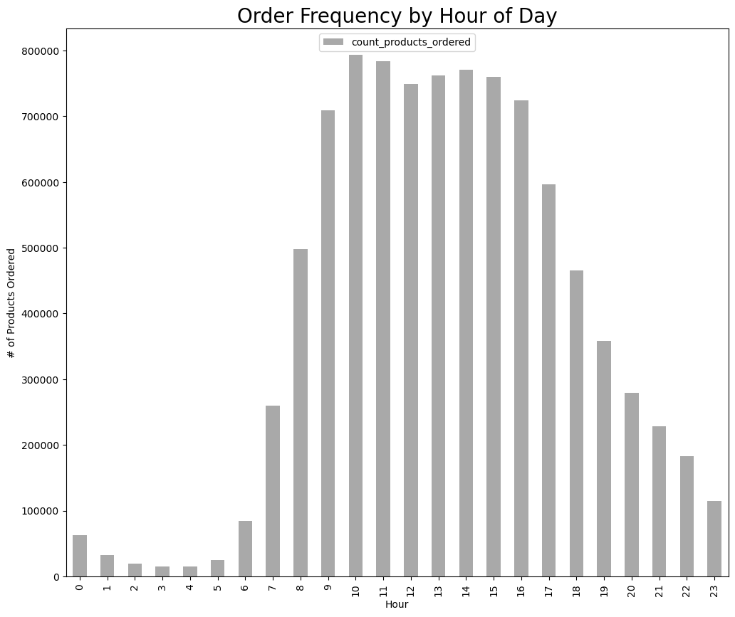
1 | 2
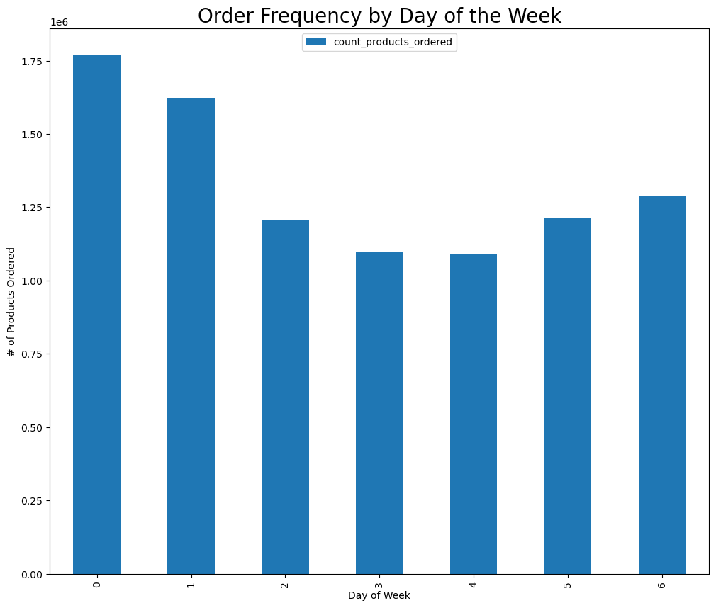

The numbers in the x-axis reflect the day of the week.
0= Sunday 4= Thursday
1= Monday 5= Friday
2= Tuesday 6= Saturday
3= Wednesday
Sales are clearly highest on Sunday and Monday's. The middle of the week has the lowest sales.
Peak hours are between 9 AM and 5 PM

3 | 4
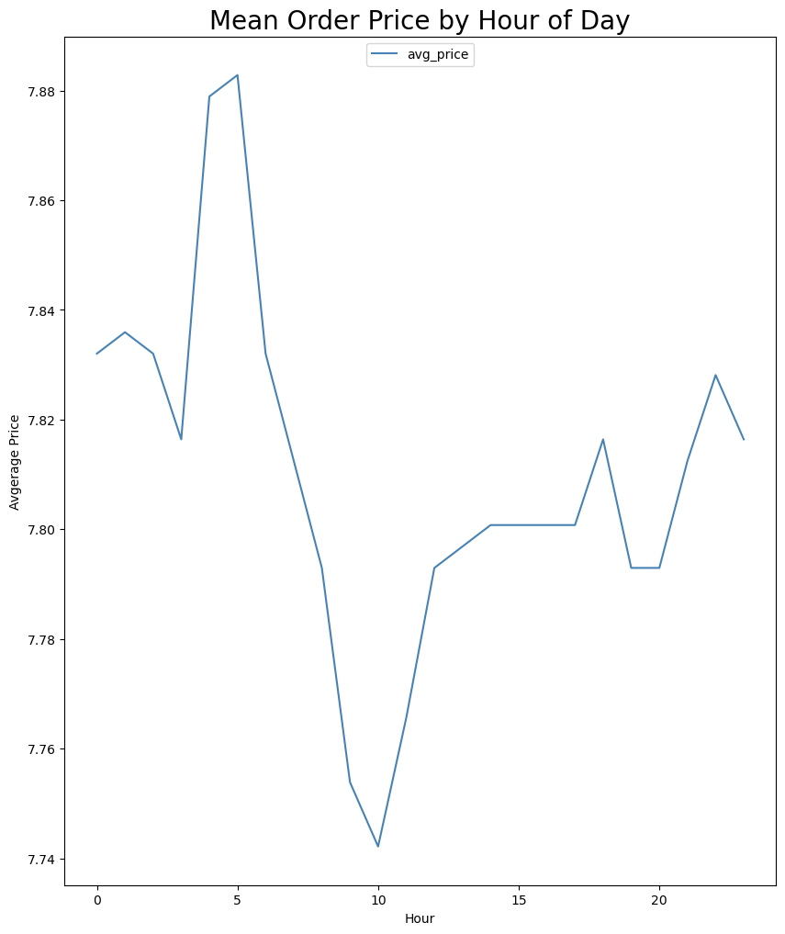
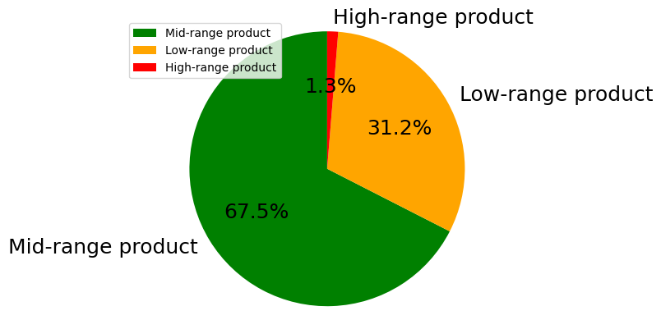

If the value within the “prices” column within the given row is less than or equal to 5, then return the string “Low-range product.”
Or else, if the value within the “prices” column within the given row is greater than 5 and less than or equal to 15, then return the string “Mid-range product.”
Or else, if the value of the “prices” column within the given row is greater than 15, then return the string “High-range product.”

Line graph displaying the average price per order at a specific hour of the day. It appears people are more likely to spend more money during overnight and early morning hours than they are in the middle of the day.

5 | 6
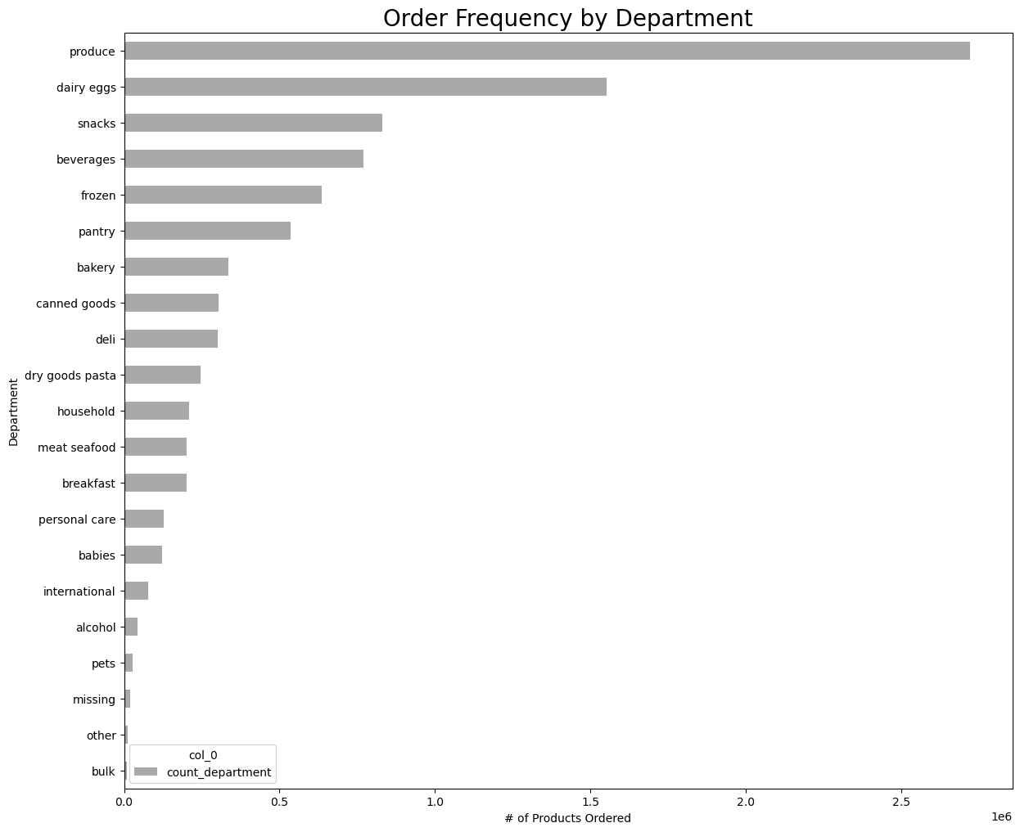
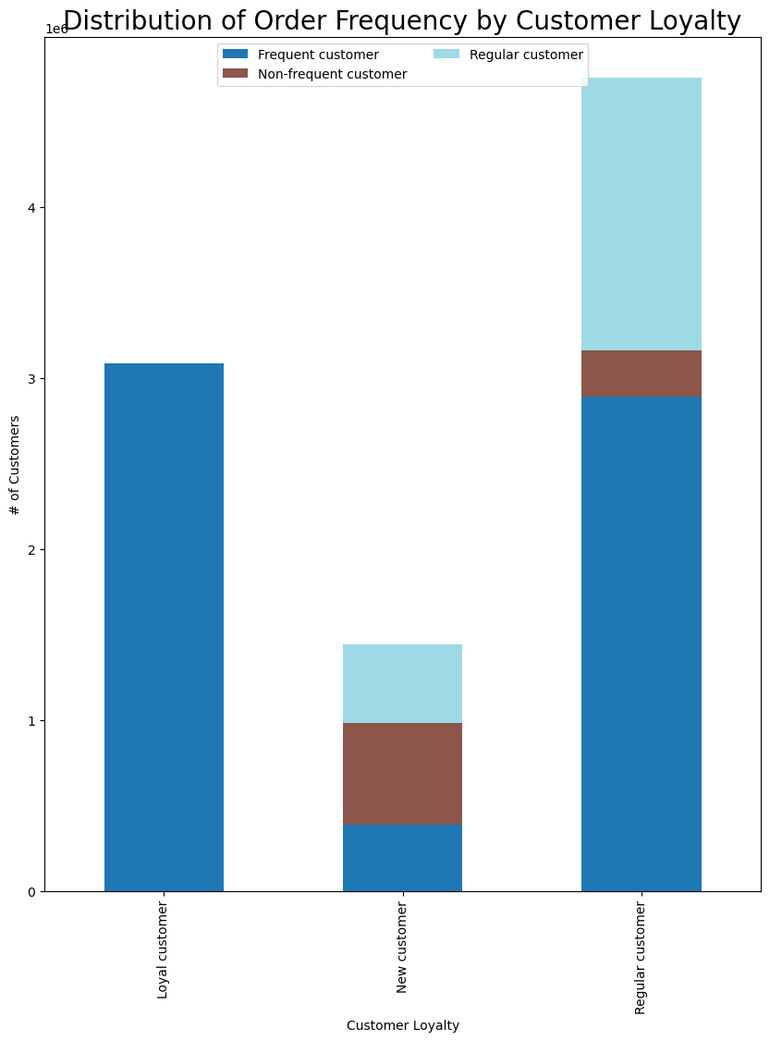

This horizontal bar chart shows the relationship between the different Instacart departments and their order frequencies.
Produce, dairy eggs, snacks, beverages, and frozen are the top 5 departments at Instacart

Customer frequency is determined by how often they order and customer loyalty is determined by how many times a customer orders.

7 | 8 |  | 9
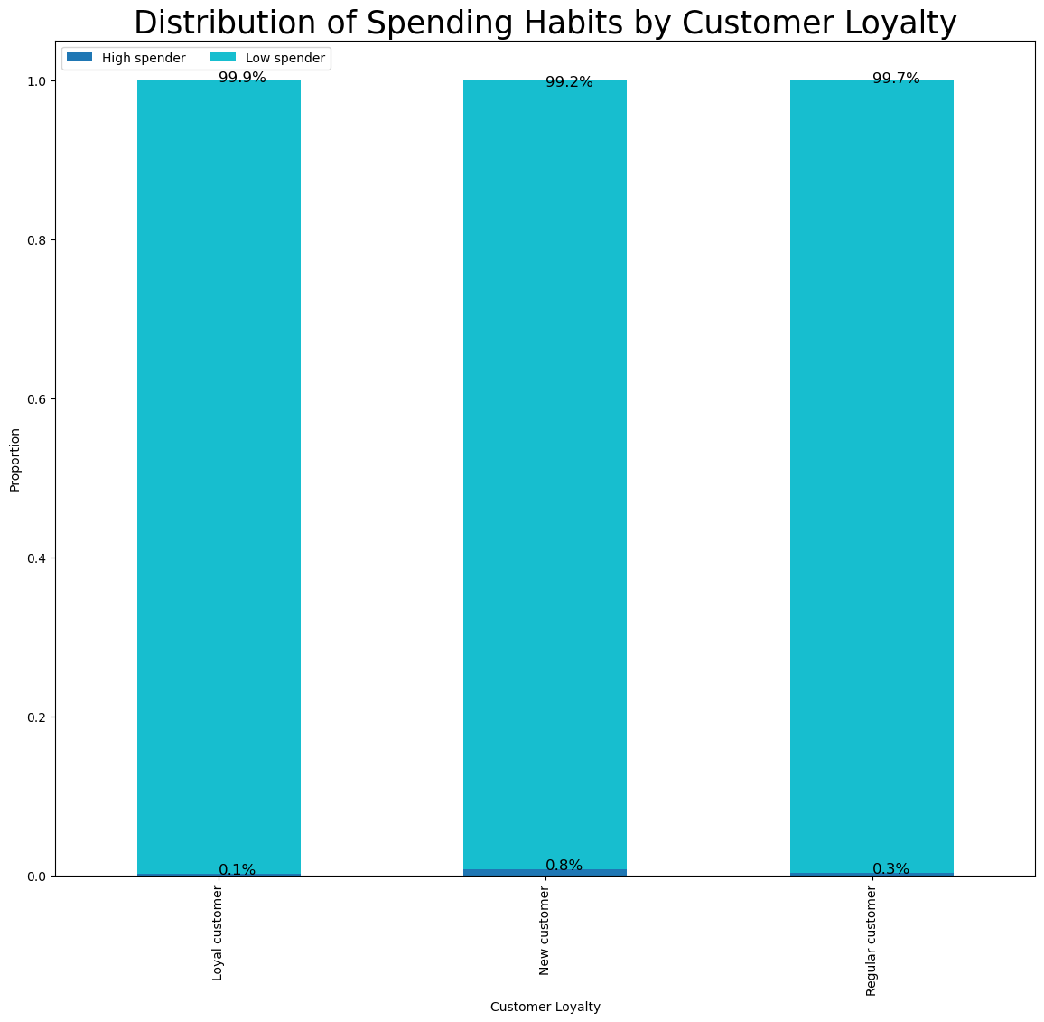
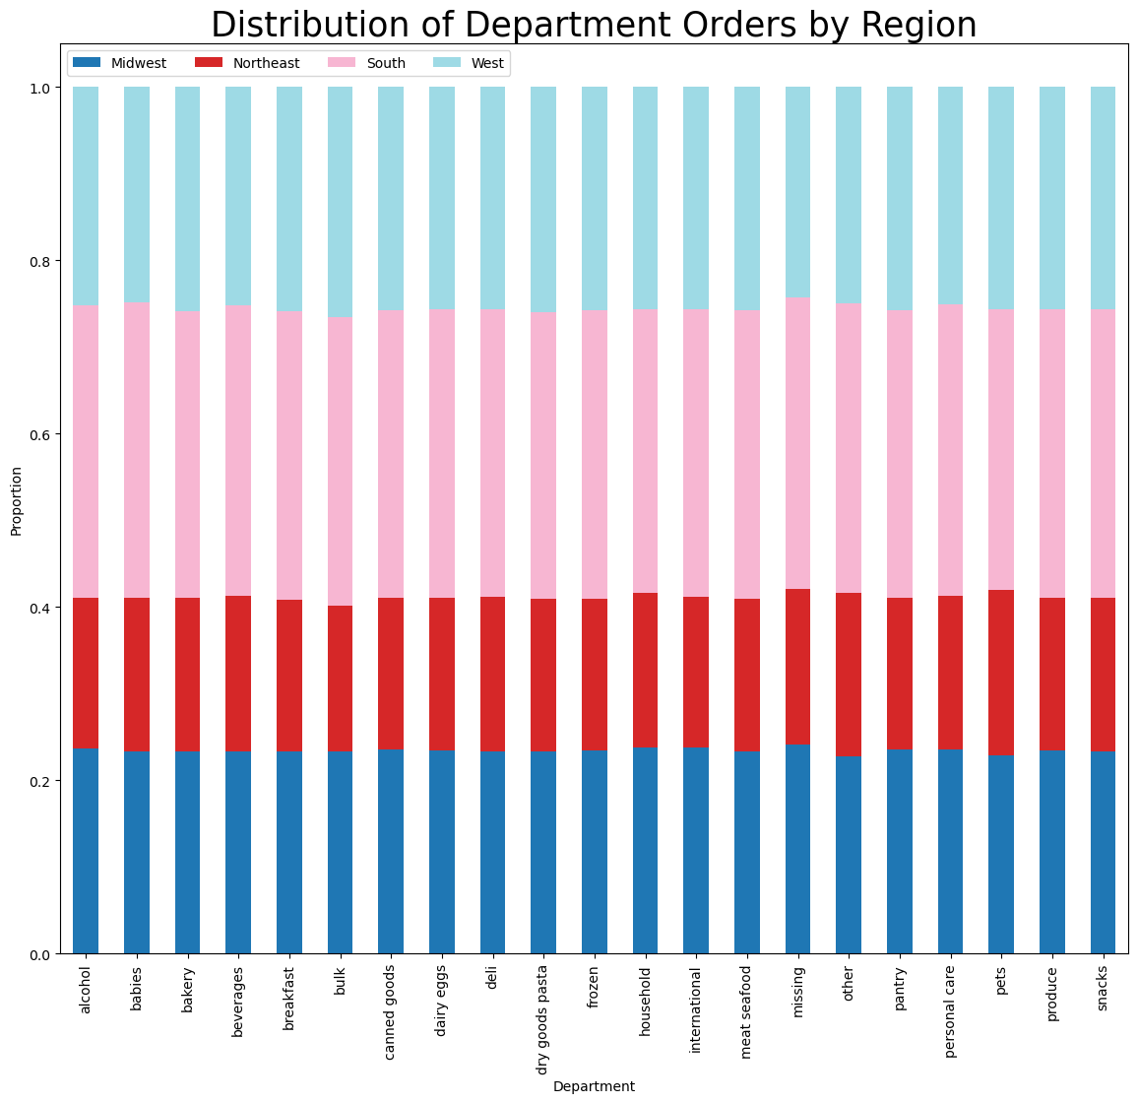

Loyal customers are actually less likely to purchase high priced products.

Practically all Instacart customers fall under the low spender profile. Only New customers have a tendency to spend more.
Customer orders based on department are uniform across all regions.

10 | 11
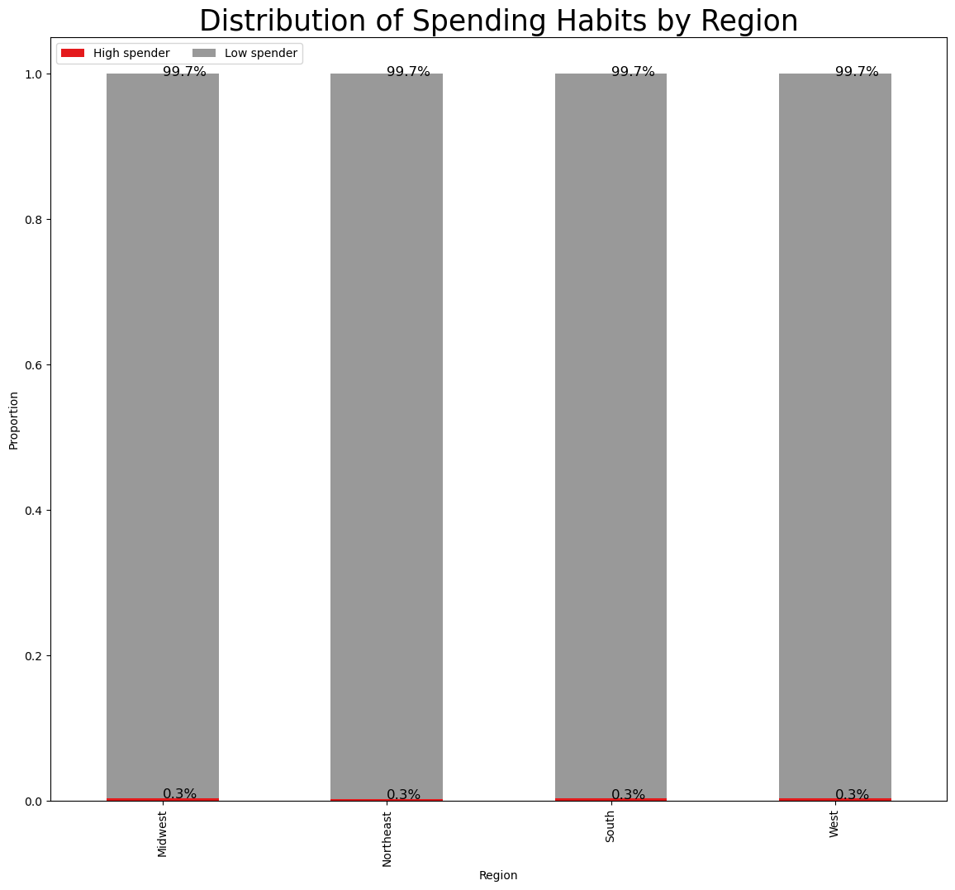
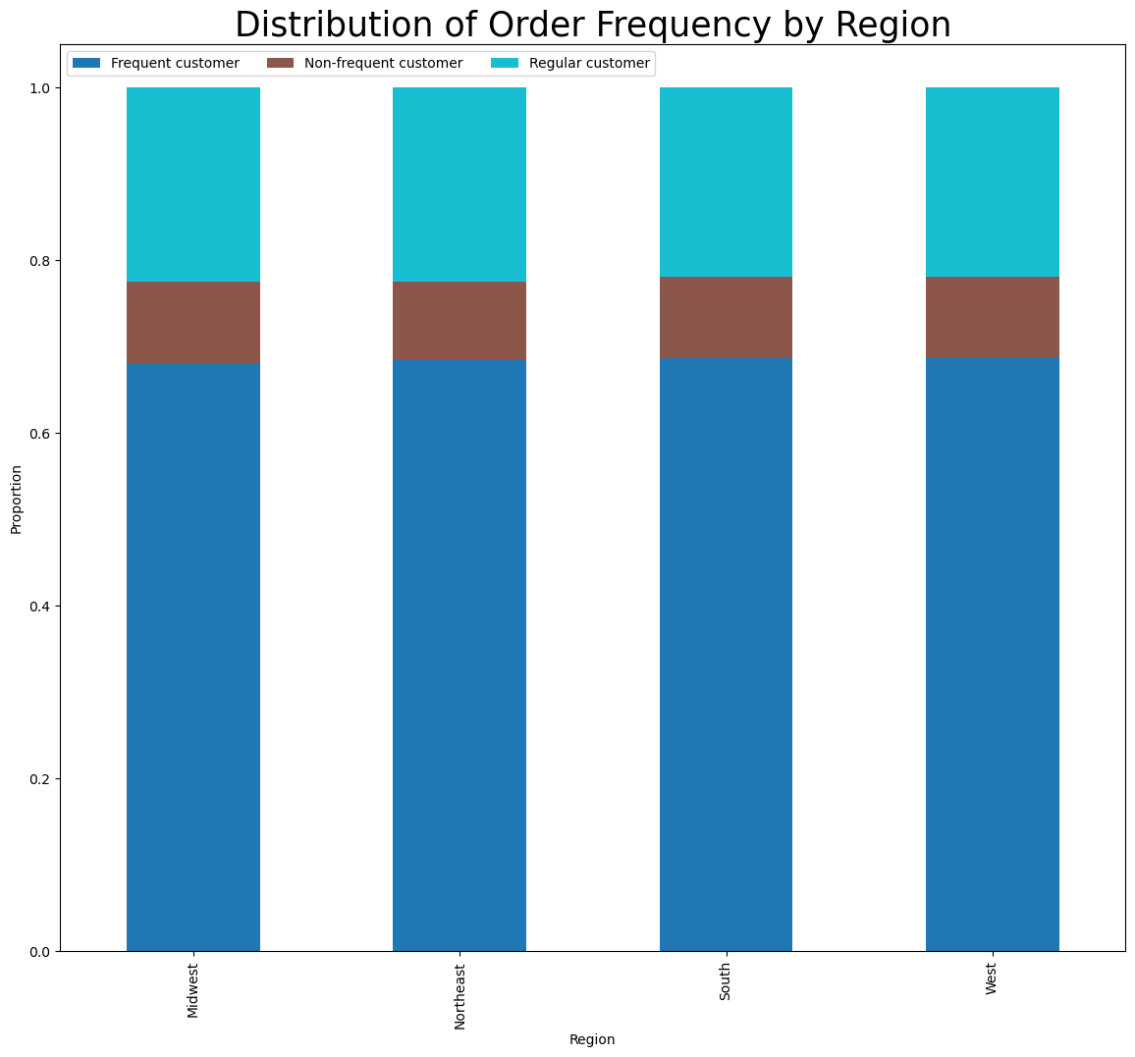

The distribution of customer spending habits is uniform across all geographic regions.
The distribution of customer order frequency is uniform across all geographic regions.

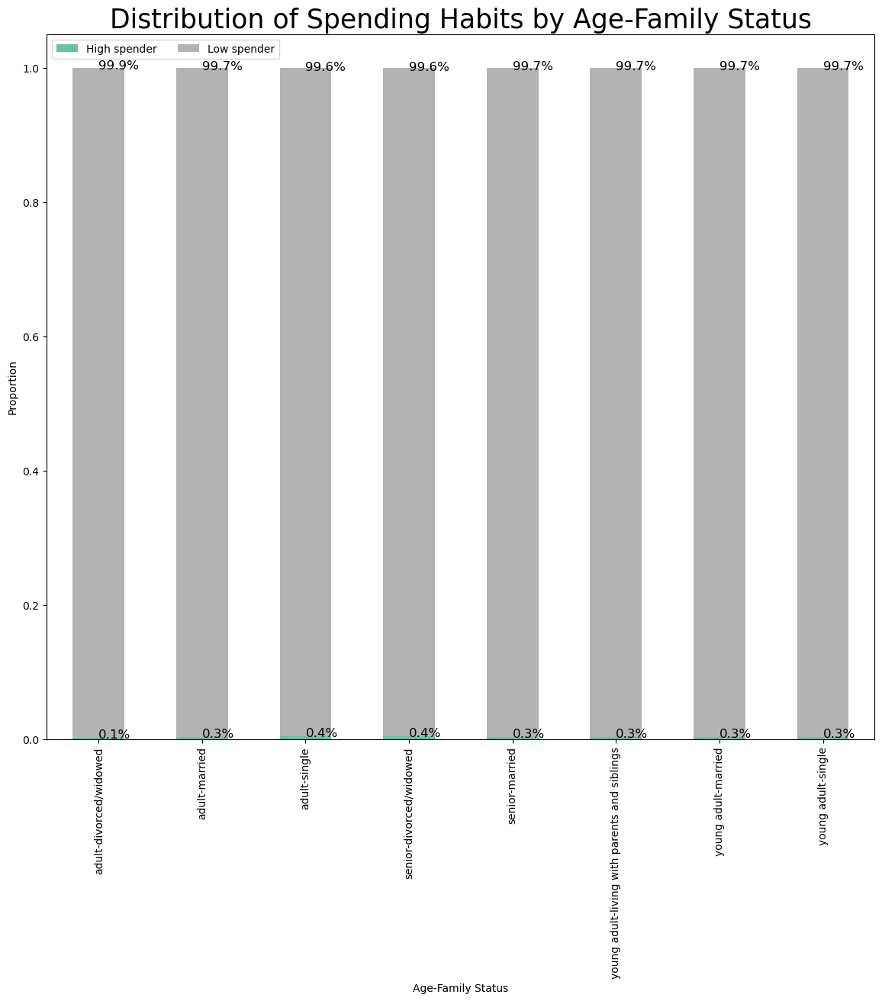
12 | 13
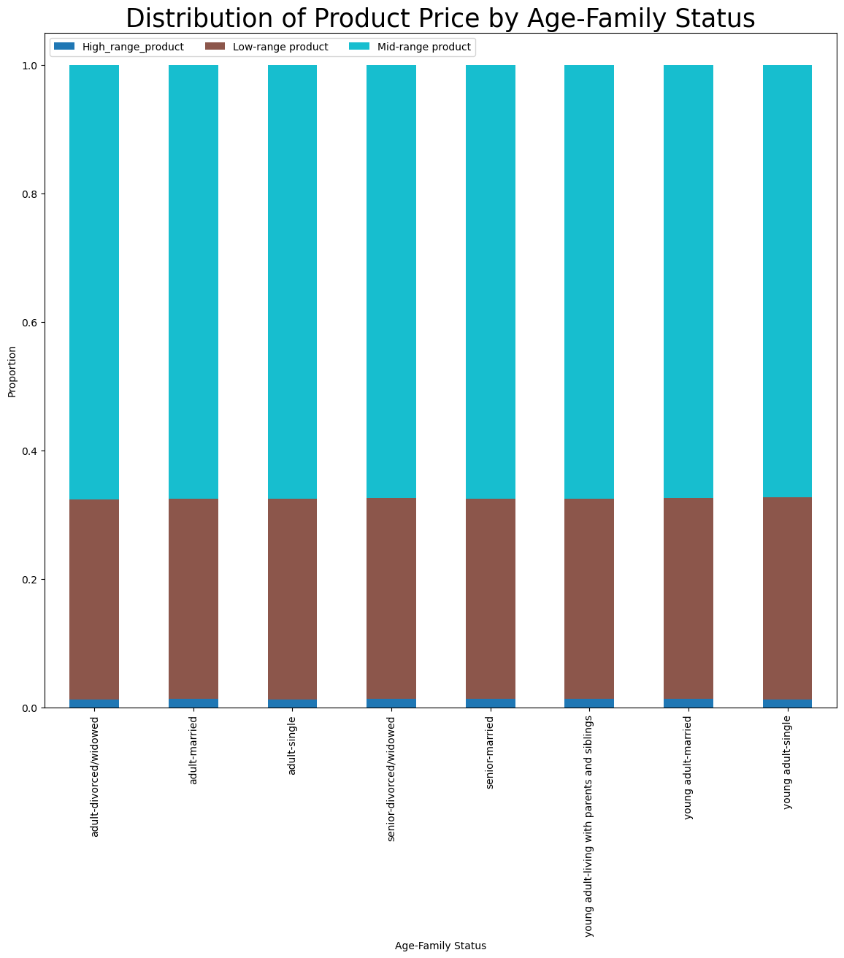

The distribution of spending habits is relatively uniform across all age and family status groups. Customers are still vastly more likely to be low spenders regardless of age and family status.
The distribution suggests that product prices do not influence ordering habits based on age and family status. Customers are most likely to purchase mid and low priced products regardless of age and family status.

14 | 15
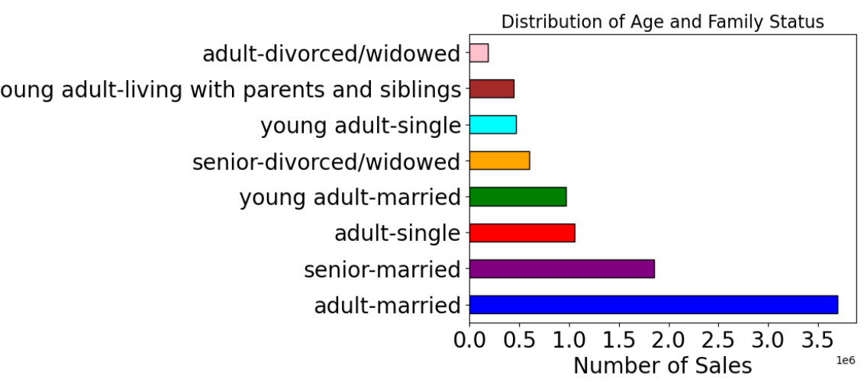
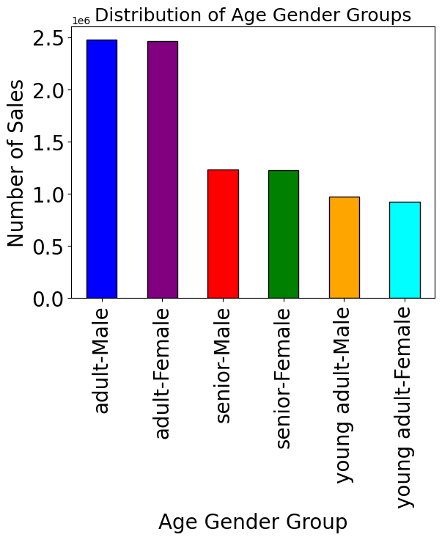

Customers from the adult male and adult female profiles contribute to about 25% of all Instacart sales each.

Most purchases are made by customers who are married adults and married seniors. Adults are customers between the ages greater than 30 and less than 65, seniors are customers 65 and older.

16 | 17
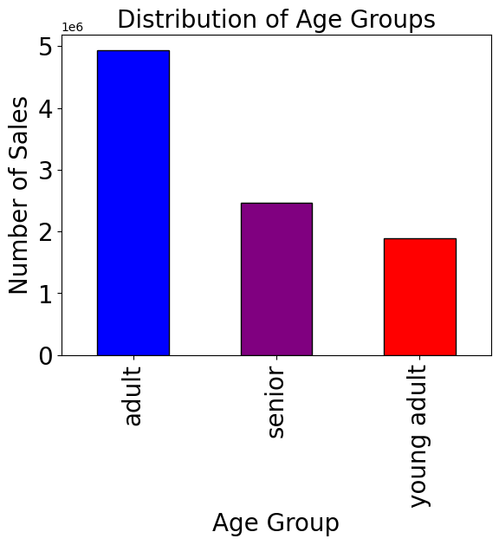
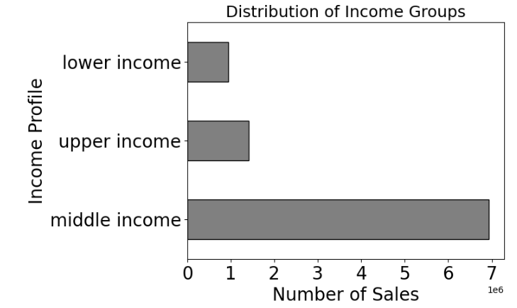

Customers who fall into the middle income category contribute the greatest to sales at Instacart. If income is less than $48,500 then lower income .If income is greater than or equal to $48,500 and less than or equal to $145,500, then middle income. If income is greater than $145,500, then upper income

The majority of Instacart sales are made by adult customers. Adults are customers between the ages greater than 30 and less than 65, seniors are customers 65 and older.

18 | 19
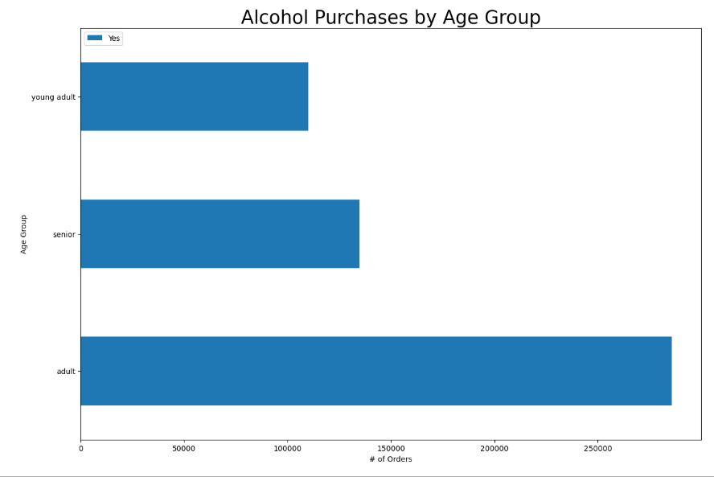
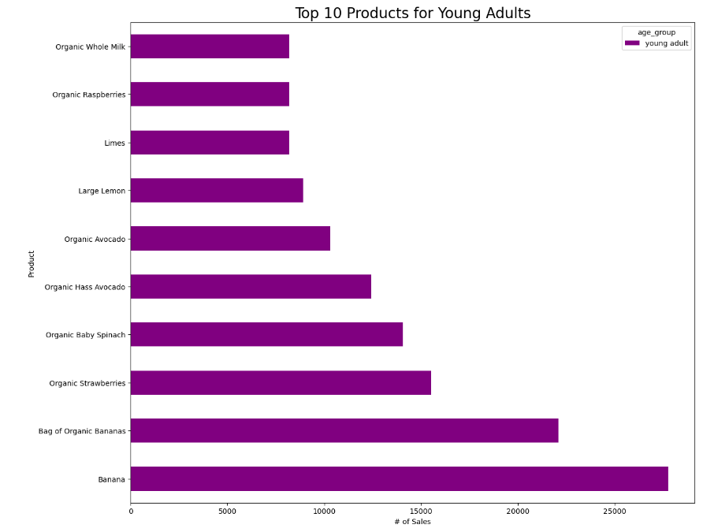

About half of all alcohol sales were made by customers in the adult age group. Young adults purchased the least amount of alcohol through Instacart.
The most popular products for young adults are fruits and vegetables. Half of the top 10 are organic products.

20 | 21
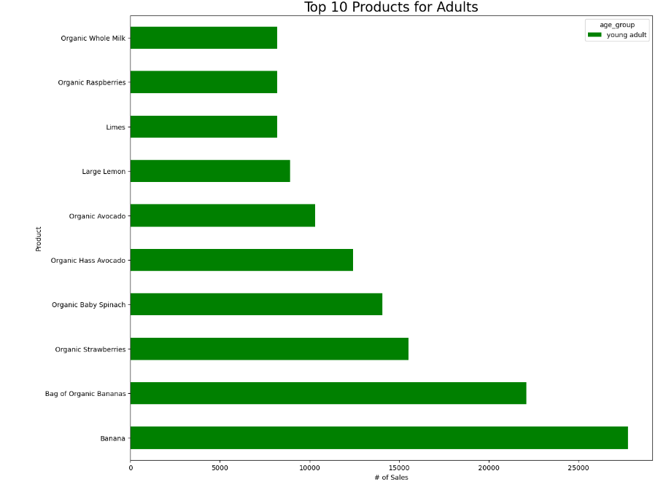
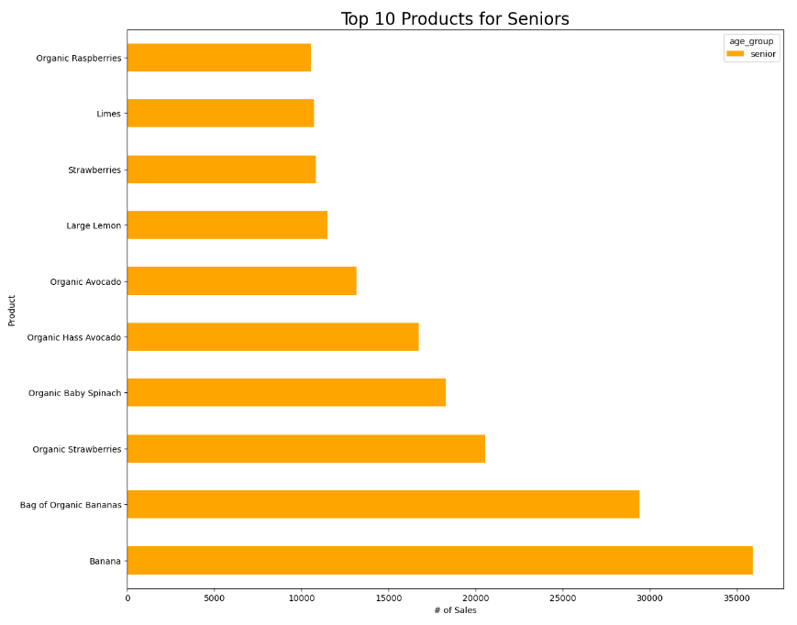

The most popular products for adults are fruits and vegetables. Half of the top 10 are organic products.
The most popular products for seniors are fruits and vegetables. Half of the top 10 are organic products.

7. Recommendations
 |  |  |  | Title page

Recommendations

# | Key Questions | Answers | Link to Visualizations
1 | The sales team needs to know what the busiest days of the week and hours of the day are (i.e., the days and times with the most orders) in order to schedule ads at times when there are fewer orders | Observations: Sunday and Monday are the busiest days for Instacart. The busiest hours are between 9 AM and 5 PM. Recommendation: Ads should be run in the middle of the week between 5PM and 9 AM, these will be the days and times with the fewest orders for Instacart. | Figures 1 and 2
2 | They also want to know whether there are particular times of the day when people spend the most money, as this might inform the type of products they advertise at these times. | Observations: People spend the most money per order between 10 PM and 6 AM. Recommendations: It appears people are more likely to spend more money during overnight and early morning hours than they are in the middle of the day. I would recommend advertising more expensive products during these times. | Figure 3
3 | Instacart has a lot of products with different price tags. Marketing and sales want to use simpler price range groupings to help direct their efforts. | Observations: Over 2/3 of order prices fall in the mid-range profile. A little less than 1/3 in the low-range and about 1% in the high-range profiles, respectively. Recommendations: With about 99% of purchases being mid-range and low-range priced products it appears that customers are likely to continue purchasing products in these price ranges. With the conditions set on these price range profiles marketing and sales can focus their attention on customers whose purchases fall in the low and mid range price profiles in the future. | Figure 4
4 | Are there certain types of products that are more popular than others? The marketing and sales teams want to know which departments have the highest frequency of product orders. | Observations: Produce, dairy eggs, snacks, beverages, and frozen departments have the most orders. Recommendations: Many Instacart customers use this service for products from the produce, dairy eggs, snacks, beverages, and frozen departments. Marketing and sales can focus their efforts on these departments in order to continue growth in a strong area of the business. Marketing and sales can also choose to focus on departments not doing as well and increase their efforts to expand these markets through sales and advertising. | Figure 5
5 | What’s the distribution among users in regards to their brand loyalty (i.e., how often do they return to Instacart)? | Observations: Customers whose loyalty status is considered regular make up the largest portion of Instacart's clients, loyal customers the next largest group and new customers the least. Loyal customers usually are frequent customers, new customers are a mix of frequent, regular, and non-frequent customers, and regular customers tend to order more frequently. Recommendations: Instacart should focus their efforts on converting customers with average loyalty to become more frequent customers. This can be done by offering deals to customers who purchase more frequently. Also, new customers are split fairly evenly between being frequent, average and non-frequent customers. If Instacart could find a way to incentivize new customers to order more frequently this may result in a greater likelihood of new customers becoming regular or loyal customers. | Figure 6
6 | Are there differences in ordering habits based on a customer’s loyalty status? | Observations: Practically all loyal customers are profiled as low spenders, the same can be said for all customer loyalty profiles. New customers have the best chance of being high spenders but it is still less than a percent of new customers. Loyal customers are actually the least likely to buy higher priced products. Recommendations: The vast majority of Instacart customers fall under the low spender category. It appears customers are looking for good deals and that is where they wish to spend their money. I would suggest Instacart focus on offering products at a good price and offer deals and sales to increase purchases by low spending customers. I would suggest marketing advertise sales and products with low prices. it appears to be a products good value that attracts customers to Instacart. | Figure 7, 10
7 | Are there differences in ordering habits based on a customer’s region? | Observations: Instacart customers orders are uniform across all regions based ordering habits. Recommendations: At this time I recommend investigating the data further to see if more distinguishing characteristics become available. | Figures 8, 10, 11
8 | Is there a connection between age and family status in terms of ordering habits? | Observations: Customers are more likely to purchase mid and low priced products regardless of age and family status. Also, customers are more likely to be low spenders regardless of age and family status. Recommendations: Instacart should focus its attention on providing products that fall in the mid and low level price ranges. There does not appear to be a market at Instacart for higher priced products. | Figures 12, 13
9 | What different classifications does the demographic information suggest? Age? Income? Certain types of goods? Family status? | Observations: The majority of customers are married adults with a middle income. Recommendations: Based on the findings above Instacart customers are typically looking for mid and low priced options. This makes sense when looking at the customer profiles. Married adults are often on a budget are looking to be frugal with their grocery spending. I would suggest Instacart marketing and sales focus on the needs of their largest demographics and continue to expand their market share. As customers in the young adult profile get older Instacart will be in a good position to gain greater market share as they will be more familiar with technology and shopping for food digitally. | Figures 14, 13, 15, 16, 17
10 | What differences can you find in ordering habits of different customer profiles? Consider the price of orders, the frequency of orders, the products customers are ordering, and anything else you can think of. | Observations: In terms of products all age group profiles purchased basically the same products the most. These were organic fruits and vegetables. All customer profiles favor low and mid range priced products regardless of age, family status or income. Recommendations: It seems like most Instacart customers are here to buy healthy products at affordable prices. I believe that Instacart's sales and marketing departments will benefit by taking this into consideration. I would suggest further analysis on specific products especially very popular and unpopular in order to see what customers like and what can be removed from inventory. | Figures 18, 19, 20, 21

